Sheet1
Year | Quarter | Time | Actual Units Sold | Base level Et | Trend Factor Tt | Seasonal Factor St | Forecast
 |  |  |  |  |  |  |  | alpha | 0.32989124107
2003 | 1 | 1 | 23 | -- | -- | 0.80 | -- | beta | 0.27988918807 | MSE | 24.791842897
 | 2 | 2 | 25 | -- | -- | 0.87 | -- | gamma | 0.53269945287
 | 3 | 3 | 36 | -- | -- | 1.25 | --
 | 4 | 4 | 31 | 28.75 | 0.00 | 1.08 |  | 21.a | The optimal values of alpha, beta and gamma are obtained in the table above.
2004 | 1 | 5 | 26 | 29.99 | 0.35 | 0.84 | 23.00
Comparision of original data and predicted data
 | Actual Units Sold | Forecast
1 | 23 | 0.00
2 | 25 | 0.00
3 | 36 | 0.00
4 | 31
5 | 26 | 23.00
6 | 28 | 26.38
7 | 48 | 39.40
8 | 36 | 37.62
9 | 31 | 29.59
10 | 42 | 32.98
11 | 53 | 57.20
12 | 43 | 46.04
 | 2 | 6 | 28 | 30.95 | 0.52 | 0.89 | 26.38
 | 3 | 7 | 48 | 33.73 | 1.15 | 1.34 | 39.40
 | 4 | 8 | 36 | 34.39 | 1.01 | 1.06 | 37.62
2005 | 1 | 9 | 31 | 35.96 | 1.17 | 0.85 | 29.59
 | 2 | 10 | 42 | 40.48 | 2.11 | 0.97 | 32.98
 | 3 | 11 | 53 | 41.56 | 1.82 | 1.31 | 57.20
 | 4 | 12 | 43 | 42.43 | 1.55 | 1.04 | 46.04
2006 | 1 | 13 |  |  |  |  | 37.37
 | 2 | 14 |  |  |  |  | 44.07
 | 3 | 15 |  |  |  |  | 61.55
 | 4 | 16 |  |  |  |  | 50.39
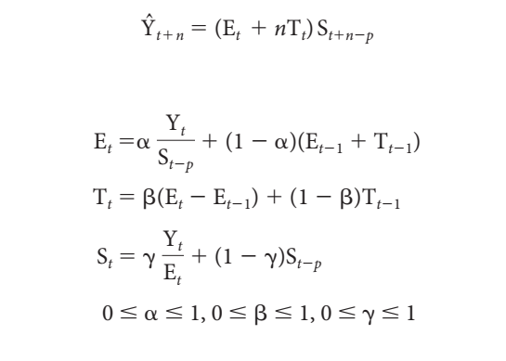

 |  |  |  |  |  |  |  | 21.b | The line graph comparing the predictions against the original data is given above.

 |  |  |  |  |  |  |  | 21.c | The forecast for each quarter in 2006 using this technique is given in the table above in Forecast column in red text.

